Blank Form
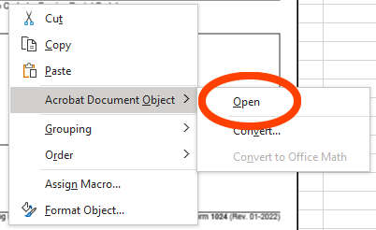
Blank IRS Form 1024
The Form 1024 is filled out online at Pay.gov, but as you gather information, it can be helpful to see the actual form.
Remember, most of it is left blank.

To open the embedded file below, right click on the image below and choose "Adobe Document Object" > "Open" as shown at right.

